1
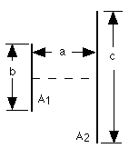

a | b | c | Configuration | Results from Web Software

2
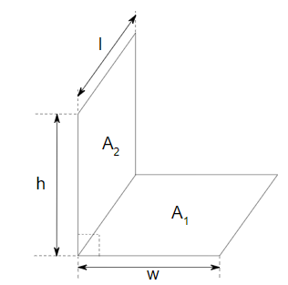

w | h | l | or | Configuration | Results from Web Software
1 | 2 | 3 |  | "config1": {"w": 1, "h": 2, "l": 3} | 0.31899670148
2 | 4 | 6 |  | "config2": {"w": 2, "h": 4, "l": 6} | 0.31899670148
5 | 7 | 8 |  | "config3": {"w": 5, "h": 7, "l": 8} | 0.25527727238
4 | 8 | 12 |  | "config4": {"w": 4, "h": 8, "l": 12} | 0.31899670148
3 | 6 | 9 |  | "config5": {"w": 3, "h": 6, "l": 9} | 0.31899670148
7 | 13 | 19 |  | "config6": {"w": 7, "h": 13, "l": 19} | 0.30834729463
8 | 12 | 13 |  | "config7": {"w": 8, "h": 12, "l": 13} | 0.26082872688
10 | 15 | 20 |  | "config8": {"w": 10, "h": 15, "l": 20} | 0.27488497203
9 | 8 | 7 |  | "config9": {"w": 9, "h": 8, "l": 7} | 0.17544416868
11 | 16 | 14 |  | "config10": {"w": 11, "h": 16, "l": 14} | 0.24063635073
12 | 14 | 17 |  | "config11": {"w": 12, "h": 14, "l": 17} | 0.23429142001
13 | 18 | 15 |  | "config12": {"w": 13, "h": 18, "l": 15} | 0.23021755288
6 | 1 | 4 |  | "config13": {"w": 6, "h": 1, "l": 4} | 0.062796358198
8 | 4 | 10 |  | "config14": {"w": 8, "h": 4, "l": 10} | 0.15394526225
4 | 3 | 1 |  | "config15": {"w": 4, "h": 3, "l": 1} | 0.094950549967

3
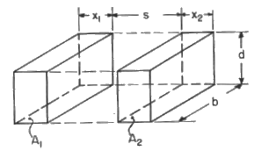
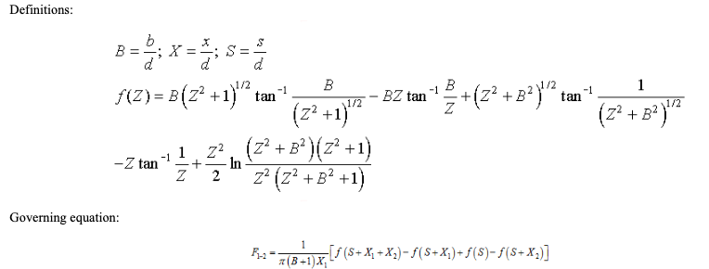

x1 | x2 | b | d | s | Configuration | Results from Web Software
1 | 2 | 3 | 4 | 5 | "config1": {"x1": 1, "x2": 2, "b": 3, "d": 4, "s": 5} | 0.0037939712327
1 | 4 | 3 | 5 | 7 | "config2": {"x1": 1, "x2": 4, "b": 3, "d": 5, "s": 7} | 0.00057897949801
2 | 5 | 4 | 7 | 9 | "config3": {"x1": 2, "x2": 5, "b": 4, "d": 7, "s": 9} | 0.0012383779239
2 | 6 | 2 | 3 | 5 | "config4": {"x1": 2, "x2": 6, "b": 2, "d": 3, "s": 5} | -0.00044369065415
3 | 3 | 5 | 4 | 6 | "config5": {"x1": 3, "x2": 3, "b": 5, "d": 4, "s": 6} | 0.0066952323818
4 | 1 | 2 | 2 | 1 | "config6": {"x1": 4, "x2": 1, "b": 2, "d": 2, "s": 1} | 0.12088564757
5 | 7 | 9 | 11 | 13 | "config7": {"x1": 5, "x2": 7, "b": 9, "d": 11, "s": 13} | 0.006689190914
5 | 2 | 4 | 6 | 4 | "config8": {"x1": 5, "x2": 2, "b": 4, "d": 6, "s": 4} | 0.050878315521
4 | 3 | 2 | 1 | 8 | "config9": {"x1": 4, "x2": 3, "b": 2, "d": 1, "s": 8} | -0.00026529831602
6 | 10 | 14 | 18 | 12 | "config10": {"x1": 6, "x2": 10, "b": 14, "d": 18, "s": 12} | 0.034444827935
7 | 5 | 3 | 4 | 1 | "config11": {"x1": 7, "x2": 5, "b": 3, "d": 4, "s": 1} | 0.091967359317
8 | 9 | 10 | 11 | 12 | "config12": {"x1": 8, "x2": 9, "b": 10, "d": 11, "s": 12} | 0.010845126377
9 | 14 | 13 | 17 | 19 | "config13": {"x1": 9, "x2": 14, "b": 13, "d": 17, "s": 19} | 0.0060837446544
10 | 12 | 14 | 16 | 18 | "config14": {"x1": 10, "x2": 12, "b": 14, "d": 16, "s": 18} | 0.0092203173485
7 | 13 | 9 | 5 | 6 | "config15": {"x1": 7, "x2": 13, "b": 9, "d": 5, "s": 6} | 0.011290538644

4
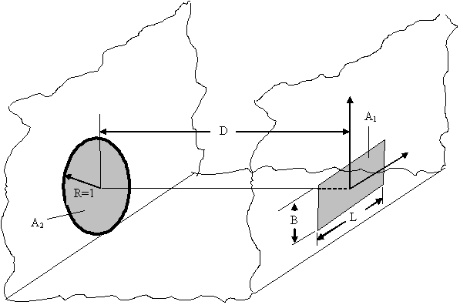
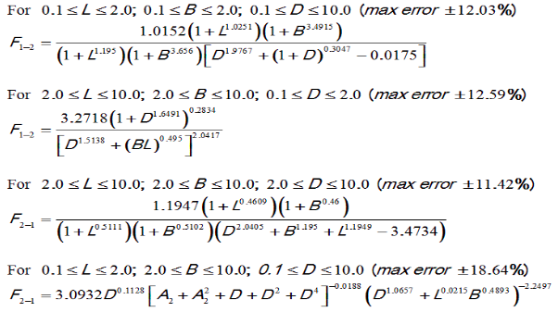

r | b | el | d | Configuration | Results from Web Software
1 | 2 | 3 | 4 | "config1": {"r": 1, "b": 2, "el": 3, "d": 4} | 0.0026485908155
2 | 3 | 4 | 5 | "config2": {"r": 2, "b": 3, "el": 4, "d": 5} | 0.11730550332
3 | 5 | 7 | 9 | "config3": {"r": 3, "b": 5, "el": 7, "d": 9} | "NaN"
4 | 5 | 6 | 7 | "config4": {"r": 4, "b": 5, "el": 6, "d": 7} | 0.21735684635
5 | 4 | 3 | 2 | "config5": {"r": 5, "b": 4, "el": 3, "d": 2} | 0.8450388279
2 | 4 | 6 | 8 | "config6": {"r": 2, "b": 4, "el": 6, "d": 8} | 0.0019853104866
7 | 9 | 11 | 13 | "config7": {"r": 7, "b": 9, "el": 11, "d": 13} | 0.1974699801
6 | 3 | 2 | 4 | "config8": {"r": 6, "b": 3, "el": 2, "d": 4} | 0.66815866961
8 | 10 | 12 | 14 | "config9": {"r": 8, "b": 10, "el": 12, "d": 14} | 0.21735684635
9 | 7 | 1 | 3 | "config10": {"r": 9, "b": 7, "el": 1, "d": 3} | 0.89117171468
10 | 1 | 5 | 12 | "config11": {"r": 10, "b": 1, "el": 5, "d": 12} | 0.39207482424
11 | 8 | 10 | 3 | "config12": {"r": 11, "b": 8, "el": 10, "d": 3} | 0.91253285213
12 | 14 | 15 | 16 | "config13": {"r": 12, "b": 14, "el": 15, "d": 16} | 0.32138256419
13 | 15 | 17 | 10 | "config14": {"r": 13, "b": 15, "el": 17, "d": 10} | 0.55130050572
14 | 13 | 19 | 2 | "config15": {"r": 14, "b": 13, "el": 19, "d": 2} | 0.947147856

5
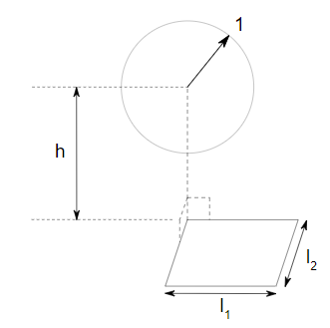

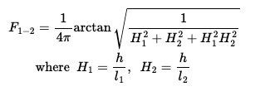

h | l1 | l2 | Configuration | Results from Web Software
1 | 2 | 4 | "config1": {"h": 1, "l1": 2, "l2": 4} | 0.083604126701
2 | 3 | 5 | "config2": {"h": 2, "l1": 3, "l2": 5} | 0.070253426339
3 | 5 | 7 | "config3": {"h": 3, "l1": 5, "l2": 7} | 0.072241562763
4 | 7 | 10 | "config4": {"h": 4, "l1": 7, "l2": 10} | 0.074612272345
5 | 9 | 12 | "config5": {"h": 5, "l1": 9, "l2": 12} | 0.074716037581
6 | 8 | 4 | "config6": {"h": 6, "l1": 8, "l2": 4} | 0.036588946139
7 | 1 | 13 | "config7": {"h": 7, "l1": 1, "l2": 13} | 0.0099345667908
8 | 10 | 12 | "config8": {"h": 8, "l1": 10, "l2": 12} | 0.056278686659
9 | 12 | 15 | "config9": {"h": 9, "l1": 12, "l2": 15} | 0.060158134248
10 | 13 | 17 | "config10": {"h": 10, "l1": 13, "l2": 17} | 0.059851952669
11 | 15 | 19 | "config11": {"h": 11, "l1": 15, "l2": 19} | 0.061468734732
12 | 16 | 20 | "config12": {"h": 12, "l1": 16, "l2": 20} | 0.060158134248
13 | 18 | 11 | "config13": {"h": 13, "l1": 18, "l2": 11} | 0.043857691638
14 | 4 | 18 | "config14": {"h": 14, "l1": 4, "l2": 18} | 0.017394704208
15 | 11 | 6 | "config15": {"h": 15, "l1": 11, "l2": 6} | 0.017621004145

6
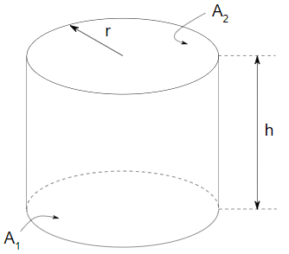



r | h | Configuration | Results from Web Software
1 | 2 | "config1": {"r": 1, "h": 2} | 0.82842712475
2 | 4 | "config2": {"r": 2, "h": 4} | 0.82842712475
3 | 5 | "config3": {"r": 3, "h": 5} | 0.78062490997
4 | 6 | "config4": {"r": 4, "h": 6} | 0.75
5 | 8 | "config5": {"r": 5, "h": 8} | 0.76899975598
8 | 6 | "config6": {"r": 8, "h": 6}, | 0.51975035112
11 | 17 | "config7": {"r": 11, "h": 17} | 0.75887982782
9 | 14 | "config8": {"r": 9, "h": 14} | 0.76079703104
10 | 13 | "config9": {"r": 10, "h": 13} | 0.70549185744
12 | 15 | "config10": {"r": 12, "h": 15} | 0.69280955188
7 | 11 | "config11": {"r": 7, "h": 11} | 0.7637697139
15 | 19 | "config12": {"r": 15, "h": 19} | 0.69711260972
13 | 18 | "config13": {"r": 13, "h": 18} | 0.72547331015
16 | 12 | "config14": {"r": 16, "h": 12} | 0.51975035112
18 | 1 | "config15": {"r": 18, "h": 1} | 0.054033775017

7
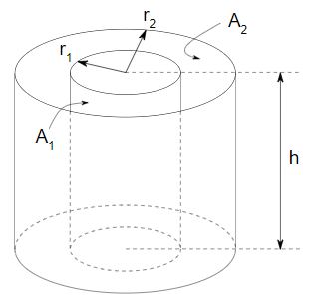

r1 | r2 | h | Configuration | Results from Web Software
1 | 2 | 4 | "config1": {"r1": 1, "r2": 2, "h": 4} | 0.41262791021
1 | 3 | 5 | "config2": {"r1": 1, "r2": 3, "h": 5} | 0.24694632107
2 | 4 | 6 | "config3": {"r1": 2, "r2": 4, "h": 6} | 0.38575949051
3 | 4 | 5 | "config4": {"r1": 3, "r2": 4, "h": 5} | 0.63537167318
3 | 5 | 7 | "config5": {"r1": 3, "r2": 5, "h": 7} | 0.47782729375
5 | 6 | 8 | "config6": {"r1": 5, "r2": 6, "h": 8} | 0.74951374553
6 | 7 | 9 | "config7": {"r1": 6, "r2": 7, "h": 9} | 0.77934299675
8 | 9 | 3 | "config8": {"r1": 8, "r2": 9, "h": 3} | 0.6581783553
10 | 12 | 14 | "config9": {"r1": 10, "r2": 12, "h": 14} | 0.73784657741
11 | 15 | 18 | "config10": {"r1": 11, "r2": 15, "h": 18} | 0.61020339213
13 | 17 | 19 | "config11": {"r1": 13, "r2": 17, "h": 19} | 0.64126253137
7 | 14 | 2 | "config12": {"r1": 7, "r2": 14, "h": 2} | 0.080018682434
4 | 10 | 1 | "config13": {"r1": 4, "r2": 10, "h": 1} | 0.038702457929
13 | 15 | 10 | "config14": {"r1": 13, "r2": 15, "h": 10} | 0.727064321
1 | 16 | 13 | "config15": {"r1": 1, "r2": 16, "h": 13} | 0.028149019645

8
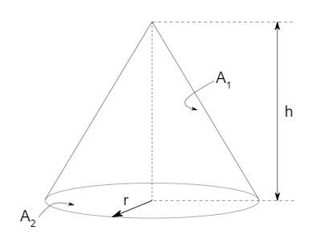

r | h | Configuration | Results from Web Software
1 | 2 | "config1": {"r": 1, "h": 2} | 0.4472135955
2 | 4 | "config2": {"r": 2, "h": 4} | 0.4472135955
3 | 15 | "config3": {"r": 3, "h": 15} | 0.19611613514
4 | 6 | "config4": {"r": 4, "h": 6} | 0.55470019623
5 | 20 | "config5": {"r": 5, "h": 20} | 0.24253562504
8 | 6 | "config6": {"r": 8, "h": 6} | 0.8
11 | 17 | "config7": {"r": 11, "h": 17} | 0.54325127816
7 | 14 | "config8": {"r": 7, "h": 14} | 0.4472135955
10 | 13 | "config9": {"r": 10, "h": 13} | 0.60971076085
12 | 15 | "config10": {"r": 12, "h": 15} | 0.62469504755
7 | 11 | "config11": {"r": 7, "h": 11} | 0.53687549219
15 | 19 | "config12": {"r": 15, "h": 19} | 0.61964428858
12 | 18 | "config13": {"r": 12, "h": 18} | 0.55470019623
17 | 12 | "config14": {"r": 17, "h": 12} | 0.81696786326
18 | 1 | "config15": {"r": 18, "h": 1} | 0.99846035321

9
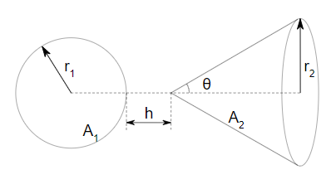

r1 | r2 | h | theta | Configuration | Results from Web Software
1 | 2 | 3 | 10 | "config1": {"r1": 1, "r2": 2, "h": 3, "theta": 10} | 0.07268907139
1 | 4 | 5 | 15 | "config2": {"r1": 1, "r2": 4, "h": 5, "theta": 15} | 0.0045638467867
2 | 4 | 8 | 20 | "config3": {"r1": 2, "r2": 4, "h": 8, "theta": 20} | 0.057607293622
3 | 6 | 5 | 25 | "config4": {"r1": 3, "r2": 6, "h": 5, "theta": 25} | 0.00025215866191
3 | 8 | 7 | 30 | "config5": {"r1": 3, "r2": 8, "h": 7, "theta": 30} | 0.13482293793
5 | 6 | 2 | 35 | "config6": {"r1": 5, "r2": 6, "h": 2, "theta": 35} | 0.1248316114
6 | 7 | 9 | 40 | "config7": {"r1": 6, "r2": 7, "h": 9, "theta": 40} | 0.047528094284
9 | 8 | 4 | 45 | "config8": {"r1": 9, "r2": 8, "h": 4, "theta": 45} | 0.98657177474
10 | 11 | 14 | 50 | "config9": {"r1": 10, "r2": 11, "h": 14, "theta": 50} | 0.3193718274
11 | 13 | 18 | 55 | "config10": {"r1": 11, "r2": 13, "h": 18, "theta": 55} | 0.0081645825577
13 | 17 | 19 | 60 | "config11": {"r1": 13, "r2": 17, "h": 19, "theta": 60} | 0.088334491792
8 | 14 | 2 | 65 | "config12": {"r1": 8, "r2": 14, "h": 2, "theta": 65} | 0.97093511022
4 | 10 | 1 | 70 | "config13": {"r1": 4, "r2": 10, "h": 1, "theta": 70} | 0.97461872866
17 | 13 | 10 | 75 | "config14": {"r1": 17, "r2": 13, "h": 10, "theta": 75} | 0.040554581314
16 | 1 | 13 | 80 | "config15": {"r1": 16, "r2": 1, "h": 13, "theta": 80} | 0.00030846594783

10
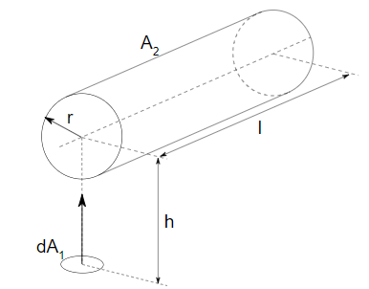

r | h | l | Configuration | Results from Web Software
1 | 2 | 5 | "config1": {"r": 1, "h": 2, "l": 5} | 0.24880128106
2 | 3 | 6 | "config2": {"r": 2, "h": 3, "l": 6} | 0.33217105425
5 | 7 | 10 | "config3": {"r": 5, "h": 7, "l": 10} | 0.35488755056
4 | 9 | 12 | "config4": {"r": 4, "h": 9, "l": 12} | 0.21468063973
3 | 7 | 9 | "config5": {"r": 3, "h": 7, "l": 9} | 0.20583137239
7 | 13 | 17 | "config6": {"r": 7, "h": 13, "l": 17} | 0.26277685089
8 | 12 | 14 | "config7": {"r": 8, "h": 12, "l": 14} | 0.32808200317
10 | 15 | 19 | "config8": {"r": 10, "h": 15, "l": 19} | 0.32913086185
9 | 8 | 6 | "config9": {"r": 9, "h": 8, "l": 6} | null
11 | 16 | 13 | "config10": {"r": 11, "h": 16, "l": 13} | 0.33173390264
12 | 14 | 18 | "config11": {"r": 12, "h": 14, "l": 18} | 0.42787483534
13 | 15 | 16 | "config12": {"r": 13, "h": 15, "l": 16} | 0.43231216859
6 | 5 | 4 | "config13": {"r": 6, "h": 5, "l": 4} | null
8 | 13 | 20 | "config14": {"r": 8, "h": 13, "l": 20} | 0.3045368774
4 | 7 | 15 | "config15": {"r": 4, "h": 7, "l": 15} | 0.28423180675
8 | 10 | 12 | "config16": {"r": 8, "h": 10, "l": 12} | 0.39822154358
9 | 14 | 19 | "config17": {"r": 9, "h": 14, "l": 19} | 0.3174998591

11
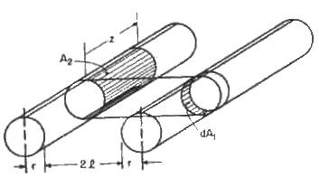

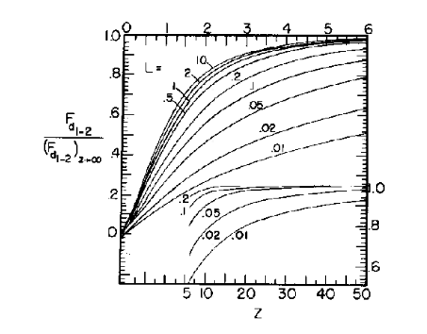

r | z | l | Configuration | Results from Web Software
2 | 3 | 5 | "config1": {"r": 2, "z": 3, "l": 5} | 0.045789950092
1 | 3 | 6 | "config2": {"r": 1, "z": 3, "l": 6} | 0.02277522746
5 | 7 | 9 | "config3": {"r": 5, "z": 7, "l": 9} | 0.057469671625
4 | 8 | 12 | "config4": {"r": 4, "z": 8, "l": 12} | 0.039999870943
3 | 7 | 10 | "config5": {"r": 3, "z": 7, "l": 10} | 0.036893629627
7 | 14 | 17 | "config6": {"r": 7, "z": 14, "l": 17} | 0.046757908658
8 | 12 | 15 | "config7": {"r": 8, "z": 12, "l": 15} | 0.055937694567
10 | 13 | 18 | "config8": {"r": 10, "z": 13, "l": 18} | 0.057469671625
9 | 11 | 13 | "config9": {"r": 9, "z": 11, "l": 13} | 0.066066117467
11 | 16 | 19 | "config10": {"r": 11, "z": 16, "l": 19} | 0.059038612703
12 | 14 | 18 | "config11": {"r": 12, "z": 14, "l": 18} | 0.064554648328
13 | 15 | 16 | "config12": {"r": 13, "z": 15, "l": 16} | 0.072619269381
6 | 5 | 2 | "config13": {"r": 6, "z": 5, "l": 2} | 0.1262562174
7 | 18 | 20 | "config14": {"r": 7, "z": 18, "l": 20} | 0.041498225166
4 | 9 | 15 | "config15": {"r": 4, "z": 9, "l": 15} | 0.033631639289

12
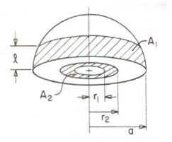
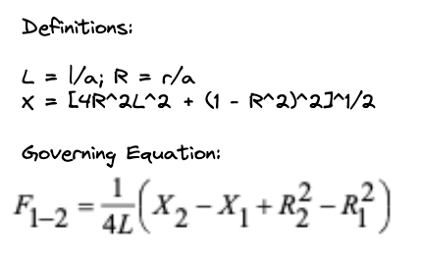

r1 | r2 | l | a | Configuration | Results from Web Software
1 | 2 | 2 | 3 | "config1": {"r1": 1, "r2": 2, "l": 2, "a": 3}
1 | 2 | 3 | 4 | "config2": {"r1": 1, "r2": 2, "l": 3, "a": 4}
2 | 3 | 2 | 5 | "config3": {"r1": 2, "r2": 3, “l": 2, "a": 5}
2 | 3 | 2 | 6 | "config4": {"r1": 2, "r2": 3, “l": 2, "a": 6}
1 | 2 | 5 | 6 | "config5": {"r1": 1, "r2": 2, “l": 5, "a": 6}
2 | 4 | 6 | 8 | "config6": {"r1": 2, "r2": 4, “l": 6, "a": 8}
2 | 4 | 3 | 7 | "config7": {"r1": 2, "r2": 4, “l": 3, "a": 7}
1 | 2 | 1 | 5 | "config8": {"r1": 1, "r2": 2, “l": 1, "a": 5}
3 | 5 | 7 | 9 | "config9": {"r1": 3, "r2": 5, “l": 7, "a": 9}
4 | 6 | 8 | 10 | "config10": {"r1": 4, "r2": 6, “l": 8, "a": 10}
5 | 8 | 11 | 14 | "config11": {"r1": 5, "r2": 8, “l": 11, "a": 14}
6 | 10 | 14 | 18 | "config12": {"r1": 6, "r2": 10, “l": 14, "a": 18}
7 | 12 | 17 | 20 | "config13": {"r1": 7, "r2": 12, “l": 17, "a": 20}
8 | 12 | 16 | 20 | "config14": {"r1": 8, "r2": 12, “l": 16, "a": 20}
9 | 10 | 15 | 16 | "config15": {"r1": 9, "r2": 10, “l": 15, "a": 16}

